Front Sheet
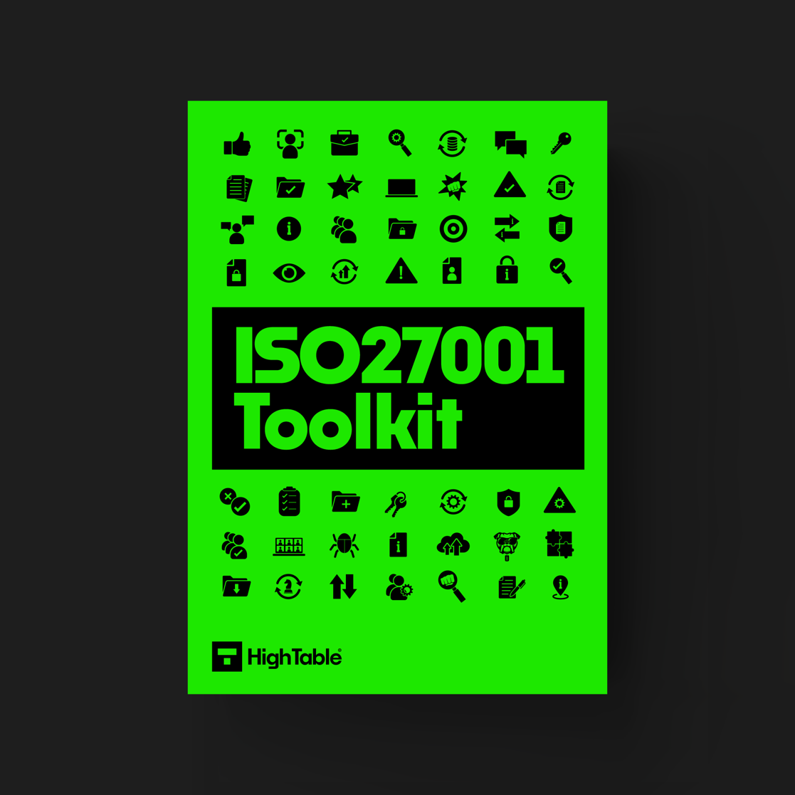
THE ULTIMATE ISO 27001 TOOLKIT

VIEW THE ULTIMATE ISO 27001 TOOLKIT >>

